ORDER FORM
NOTE: PLEASE FILL QUANTITIES IN THE HIGHLIGHTED COLUMN ONLY. REST IS STANDARIZED.

First Sight Order Form

Article | Picture | KIT | Unit Price | QTY. Order | Total Amount
First Sight Sports Glasses/Childrens Kit |  | 50 Frames, 100 Lenses, Eye Blocker, Lens Tree, Measuring Tape, Eye Chart | $129.00 |  | $0.00
First Sight Stylish ROUND Frames For Adults and Children Kit |  | 50 Frames, 100 Lenses, Eye Blocker, Lens Tree, Measuring Tape, Eye Chart | $169.00 |  | $0.00
First Sight Stylish NARROW RECTEGULAR Frames For Adults and Children Kit |  | 100 Frames, 200 Lenses, Eye Blocker, Lens Tree, Measuring Tape, Eye Chart | $475.00 |  | $0.00
First Sight Our Latest Stylish WIDE RECTEGULAR Frames For Adults and Children Kit |  | 100 Frames, 220 Lenses, 10 Sunglasses, Eye Blocker, 3 Lens Trees, Measuring Tape,3 Eye Chart, Pliers | $595.00 |  | $0.00
First Sight Our Latest Stylish WIDE RECTEGULAR Frames For Adults and Children | 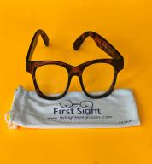 | 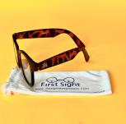 | $4.00 |  | $0.00
First Sight Stylish NARROW RECTEGULAR Frames For Adults and Children |  | 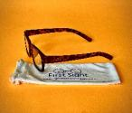 | $3.00 |  | $0.00
First Sight Stylish ROUND Frames For Adults and Children |  |  | $2.00 |  | $0.00
First Sight Sports Glasses/Childrens | 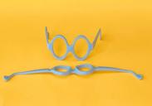 |  | $1.50 |  | $0.00
Non-Prescrition Sunglasses (Black) |  |  | $2.50 |  | $0.00
2024 Near Sight lenses | 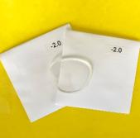 | 0 | $0.75 |  | $0.00
 |  | -1 | $0.75 |  | $0.00
 |  | -1.5 | $0.75 |  | $0.00
 |  | -1.75 | $0.75 |  | $0.00
 |  | -2 | $0.75 |  | $0.00
 |  | -2.25 | $0.75 |  | $0.00
 |  | -2.5 | $0.75 |  | $0.00
 |  | -3 | $0.75 |  | $0.00
 |  | -4 | $0.95 |  | $0.00
 |  | -5 | $0.95 |  | $0.00
2024 Far sight lenses | 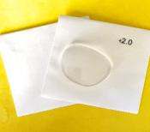 | 1 | $0.75 |  | $0.00
 |  | 1.25 | $0.75 |  | $0.00
 |  | 1.5 | $0.75 |  | $0.00
 |  | 2 | $0.75 |  | $0.00
 |  | 2.5 | $0.75 |  | $0.00
 |  | 3 | $0.75 |  | $0.00
 |  | 4 | $0.75 |  | $0.00
2023 Near Sight lenses | 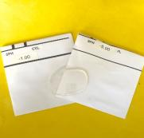 | 0 | $0.80 |  | $0.00
 |  | -1 | $0.80 |  | $0.00
 |  | -1.5 | $0.80 |  | $0.00
 |  | -1.75 | $0.80 |  | $0.00
 |  | -2 | $0.80 |  | $0.00
 |  | -2.25 | $0.80 |  | $0.00
 |  | -2.5 | $0.80 |  | $0.00
 |  | -3 | $0.80 |  | $0.00
 |  | -4 | $0.80 |  | $0.00
 |  | -5 | $0.80 |  | $0.00
2023 Far Sight lenses | 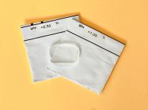 | 1 | $0.75 |  | $0.00
 |  | 1.25 | $0.75 |  | $0.00
 |  | 1.5 | $0.75 |  | $0.00
 |  | 2 | $0.75 |  | $0.00
 |  | 2.5 | $0.75 |  | $0.00
 |  | 3 | $0.75 |  | $0.00
 |  | 4 | $0.75 |  | $0.00
 |  |  |  |  | $0.00
Round Near Sight Lenses |  | 0 | $0.80 |  | $0.00
 |  | -1 | $0.80 |  | $0.00
 |  | -1.5 | $0.80 |  | $0.00
 |  | -1.75 | $0.80 |  | $0.00
 |  | -2 | $0.80 |  | $0.00
 |  | -2.25 | $0.80 |  | $0.00
 |  | -2.5 | $0.80 |  | $0.00
 |  | -3 | $0.80 |  | $0.00
 |  | -4 | $0.80 |  | $0.00
 |  | -5 | $0.80 |  | $0.00
Round Far Sight Lenses |  | 1 | $0.75 |  | $0.00
 |  | 1.25 | $0.75 |  | $0.00
 |  | 1.5 | $0.75 |  | $0.00
 |  | 2 | $0.75 |  | $0.00
 |  | 2.5 | $0.75 |  | $0.00
 |  | 3 | $0.75 |  | $0.00
 |  | 4 | $0.75 |  | $0.00
LENS TREE（Near/Far Sight) - 10 Lenses | 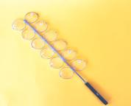 |  | $12.50 |  | $0.00
LENS TREE （Near Sight) - 8 Lenses |  |  | $11.50 |  | $0.00
LENS TREE （Far Sight) - 8 Lenses | 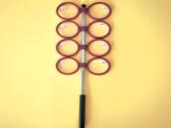 |  | $10.50 |  | $0.00
Eye chart Near Sight | 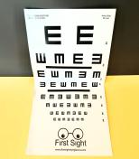 |  | $1.50 |  | $0.00
Eye charts far | 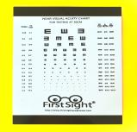 |  | $1.25 |  | $0.00
Pliers |  |  | $10.00 |  | $0.00
PD Measure - Set of TWO | 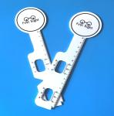 |  | $2.00 |  | $0.00
10' Tape Measure | 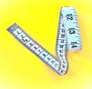 |  | $1.25 |  | $0.00
Comfort Nose Pads (50 Pairs) |  |  | $1.25 |  | $0.00
Tri-Fold Instruction (Also available on-line at No Charge) |  |  | $0.75 |  | $0.00
Informational Brochure |  |  | $0.00 |  | $0.00
Data Sheet (Also avaialvle on-live at No Charge) | 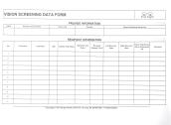 |  | $0.45 |  | $0.00

TOTAL ORDER |  |  |  |  | $0.00

